Sheet1
z
Sprint | User Story | Tasks | Status | Contributers | Scrum Meeting | Notes
1 & 2 | As a student, I want to see the list of programming langauages, and click on one of them to take me to the code implementation bubble sort. | Code Page: 1. Create A Code Implementation Page 2. Create jump links for each programming language 3.Create navigation bar 4.Create wireframes 5.Create an external stylesheet 6. Show bubble sort implementation wrapped around a border | 1. Done 12/3(Michael) 2.Done 12/3 (Michael) 3. Done 12/3 Michael 4. Done 12/2 (Michael) 5. Done 12/4 (Michael) 6. Done 12/7 (Michael) |  | 2019-12-02 | Writing user stories, preparing wireframes, created repo
1 & 2 | As a student who is a visual learner, I want to see sorting algorithms visually in action rather than in a textbook so that it connects with my learning style. | Animation Page: 1. Create Bar Graph On Animations Page 2. Add bootstrap to page . 3. Create Bar Graph Animations 4. Create Wireframes 5. Add shuffle array functionality 6. Hide player buttons when animation is running 7. Center Player In page 8. Add Accesibility instructions | 1. Done 12/3 (Adam) 2. Done 12/2 (Adam) 3. Done 12/4 (Adam) 4. Done 12/2 (Adam) 5.Done 12/4 (Adam) 6. Done 12/5 (Adam) 7. Done 12/4(Adam) 8. Done 12/6 (Adam) |  | 2019-12-04 | Put navbar on all pages, working on animation, code, and index pages. Deciding final layouts.
1 & 2 | As a student who dislikes their current professor's teaching style, I want read about sorting algorithms from a different prespective. | Home Page: 1. Create Wireframes 2. Add Dancing Gifs 3. Compress Gifs To Reduce Loading Time 4. Add Form 5. Make Responsive 6. Add Form Validation | 1. Done 12/2 (Adam) 2. Done 12/4 (Adam) 3. Done 12/6 (Adam) 4. Done 12/6 (Adam) 5. Done 12/6 (Adam) 6. Done 12/8 (Michael) |  | 2019-12-06 | Planned to meet over weekend to finish project.
 |  |  |  |  | 2019-12-07 | Today we are polishing up the project, making sure everything is accessible, adding documentation, and finishing the main features.

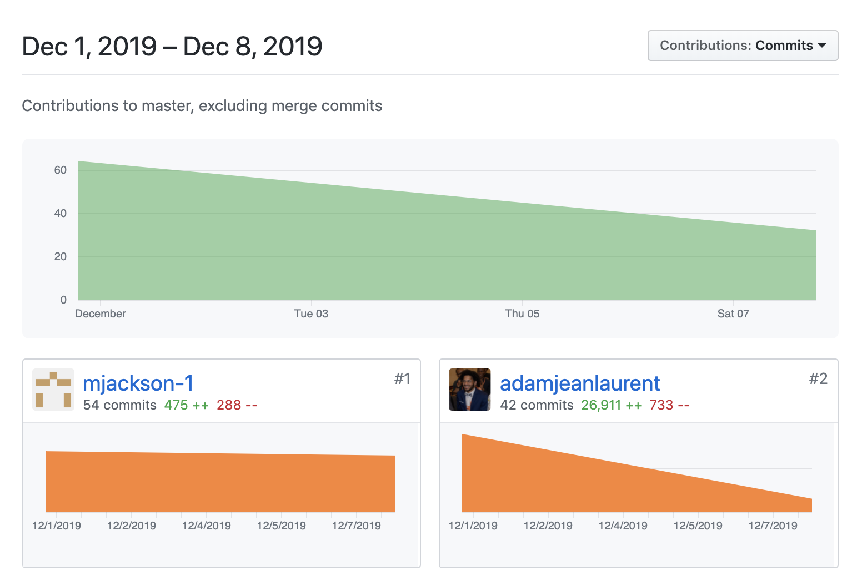
 | Contributers
 | Michael | Code Page: ------------------------- - Wrote the HTML & CSS for the page (codePage.css, codePage.HTML) ------------------------- - created navigation bar for the entire website ------------------------- - ebedded code into the HTML file Home Page: ------------------------ -wrote JavaScript for the form validiation |  |  |  | ß
 | Adam | Animation Page: ------------------------ - Wrote HTML & CSS for the animation player (animation.html, animation.css) Home Page: ------------------------ - Wrote JavaScript that plays the animation (animation.js) ------------------------ - Wrote HTML & CSS for the home page (index.html, index.css) ------------------------ - Created Footer to every page

